SDLC
Dimension | Waterfall | V-Model | Iterative/Incremental | Agile / Scrum | DevOps / CI-CD
Model | 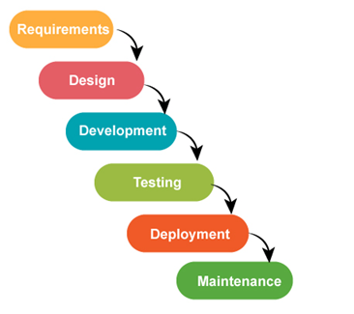 | 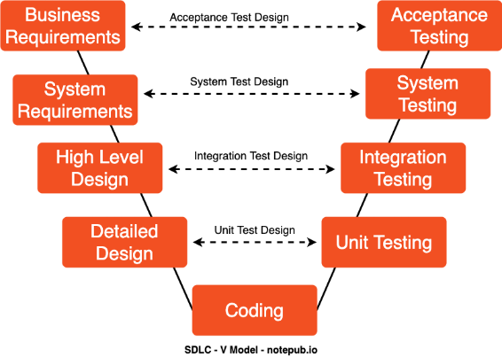 | 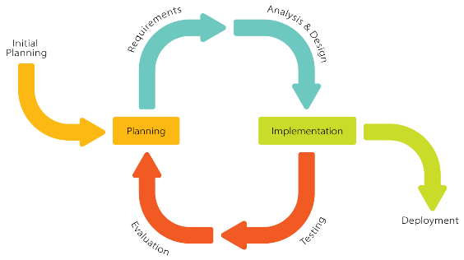 s | 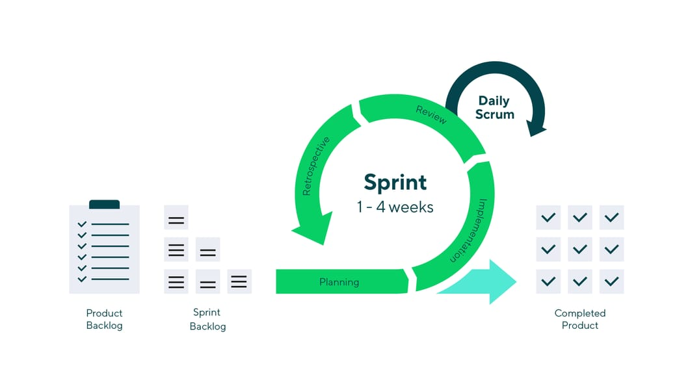 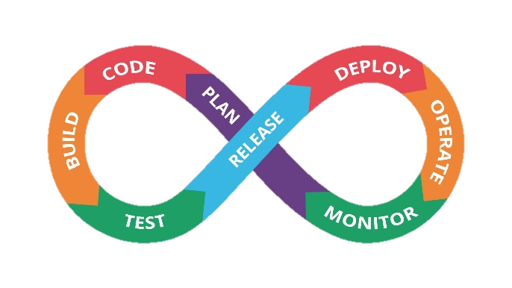 Agile = Iterative + incremental But with a time frame (sprint)
When testing happens | Mostly after build | Mirrors dev phase (req↔UAT, design↔system, unit↔impl) | Each increment tested | Every sprint; continuous | Every commit/merge; in prod too
Test design | Full test plan early; heavy scripted | Early static reviews; formal mapping from artifacts | Evolving test design per increment | Risk-based, exploratory + lightweight cases | Pipelines define checks; contracts, monitors
Shift-left | Low–medium | High (reviews/analysis) | Medium | High (ATDD/BDD, pairing) | Very high (pre-merge gates)
Shift-right | Low | Low | Medium | Medium (feature flags, canaries) | High (synthetics, SLOs, chaos)
Automation focus | Late UI/system/regression | Unit + system to mirror “V” | Unit/integration grow over time | Test pyramid (unit/component > API > few E2E) | Continuous unit/integration/contract; deploy gates
Environments | Dedicated test/UAT; infrequent refresh | Controlled, validated envs | Incremental envs | Ephemeral envs per branch; stubs/mocks | Ephemeral/On-demand, prod parity; feature flags
Integration strategy | Big-bang | Staged by level | By increment | CI each commit | Trunk-based, contract tests, canary
Docs & traceability | Heavy; formal approvals | Strict traceability req→tests | Moderate | Lean (AC, BDD scenarios) | Pipelines-as-evidence; living docs
Defect handling | Central triage; longer cycles | Severity gates tied to “V” layer | Incremental triage | Daily triage | Automated rollback; observability-driven triage
Best fit | Stable reqs; low change | Safety/regulated domains | Complex systems maturing | Product discovery, rapid change | SaaS/Cloud at scale, rapid delivery

